Visualizations
Price of Table Vs. Number of Backers With Outlier
 | Price of Table Vs. Number of Backers
$986.32 | 2547
$1,074.53 | 627
$1,638.99 | 418
$973.12 | 449
$1,256.31 | 301
$1,372.57 | 441
$1,059.53 | 675
$1,488.19 | 291
$1,488.19 | 99
Price of Table Vs. Number of Backers Without Outlier
$1,074.53 | 627
$1,638.99 | 418
$973.12 | 449
$1,256.31 | 301
$1,372.57 | 441
$1,059.53 | 675
$1,488.19 | 291
$1,488.19 | 99

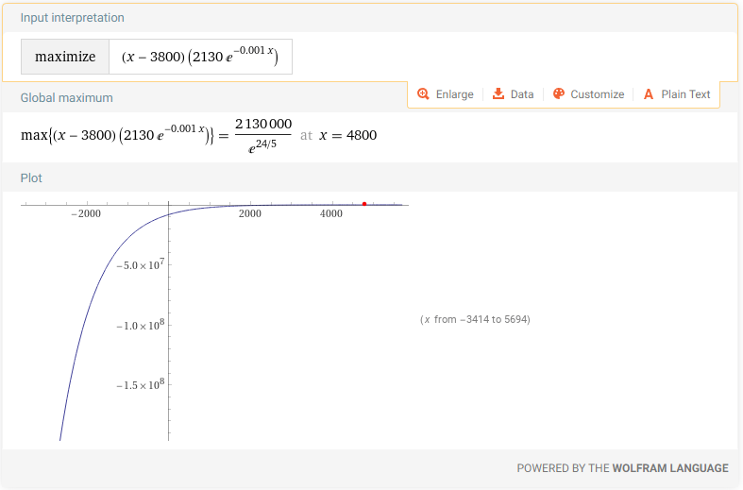
Price of Table Vs. Number of Backers Without Outlier
$1,074.53 | 627
$1,638.99 | 418
$973.12 | 449
$1,256.31 | 301
$1,372.57 | 441
$1,059.53 | 675
$1,488.19 | 291
$1,488.19 | 99

